电路
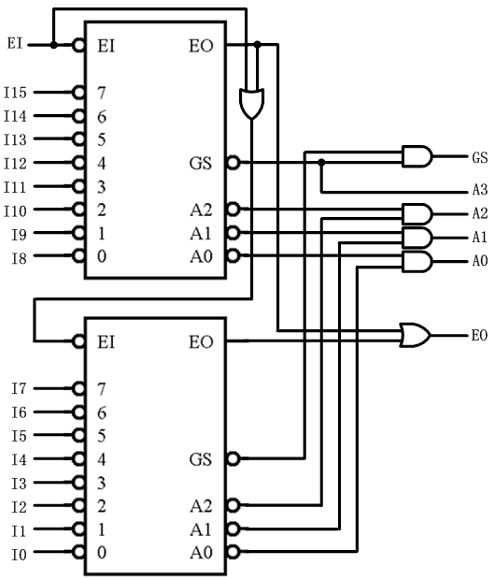
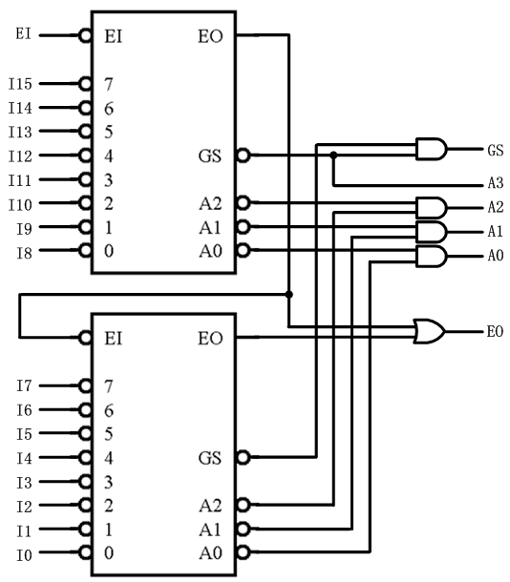
输 入
 | 17 | 16 | 15 | 14 | 13 | 12 | 11 | 10 | 9 | 8 | 7 | 6 | 5 | 4 | 3 | 2 | 1 | 0
EI | 1 | 0 | 0 | 0 | 0 | 0 | 0 | 0 | 0 | 0 | 0 | 0 | 0 | 0 | 0 | 0 | 0 | 0

I15 | X | 1 | 0 | 1 | 1 | 1 | 1 | 1 | 1 | 1 | 1 | 1 | 1 | 1 | 1 | 1 | 1 | 1 | 输 出
I14 | X | 1 | X | 0 | 1 | 1 | 1 | 1 | 1 | 1 | 1 | 1 | 1 | 1 | 1 | 1 | 1 | 1 |  | 17 | 16 | 15 | 14 | 13 | 12 | 11 | 10 | 9 | 8 | 7 | 6 | 5 | 4 | 3 | 2 | 1 | 0
I13 | X | 1 | X | X | 0 | 1 | 1 | 1 | 1 | 1 | 1 | 1 | 1 | 1 | 1 | 1 | 1 | 1
I12 | X | 1 | X | X | X | 0 | 1 | 1 | 1 | 1 | 1 | 1 | 1 | 1 | 1 | 1 | 1 | 1 | GS | 1 | 1 | 0 | 0 | 0 | 0 | 0 | 0 | 0 | 0 | 0 | 0 | 0 | 0 | 0 | 0 | 0 | 0
I11 | X | 1 | X | X | X | X | 0 | 1 | 1 | 1 | 1 | 1 | 1 | 1 | 1 | 1 | 1 | 1 | A3 | 1 | 1 | 0 | 0 | 0 | 0 | 0 | 0 | 0 | 0 | 1 | 1 | 1 | 1 | 1 | 1 | 1 | 1
I10 | X | 1 | X | X | X | X | X | 0 | 1 | 1 | 1 | 1 | 1 | 1 | 1 | 1 | 1 | 1 | A2 | 1 | 1 | 0 | 0 | 0 | 0 | 1 | 1 | 1 | 1 | 0 | 0 | 0 | 0 | 1 | 1 | 1 | 1
I9 | X | 1 | X | X | X | X | X | X | 0 | 1 | 1 | 1 | 1 | 1 | 1 | 1 | 1 | 1 | A1 | 1 | 1 | 0 | 0 | 1 | 1 | 0 | 0 | 1 | 1 | 0 | 0 | 1 | 1 | 0 | 0 | 1 | 1
I8 | X | 1 | X | X | X | X | X | X | X | 0 | 1 | 1 | 1 | 1 | 1 | 1 | 1 | 1 | A0 | 1 | 1 | 0 | 1 | 0 | 1 | 0 | 1 | 0 | 1 | 0 | 1 | 0 | 1 | 0 | 1 | 0 | 1

 |  |  |  |  |  |  |  |  |  |  |  |  |  |  |  |  |  |  | EO | 0 | 0 | 1 | 1 | 1 | 1 | 1 | 1 | 1 | 1 | 1 | 1 | 1 | 1 | 1 | 1 | 1 | 1

I7 | X | 1 | X | X | X | X | X | X | X | X | 0 | 1 | 1 | 1 | 1 | 1 | 1 | 1
I6 | X | 1 | X | X | X | X | X | X | X | X | X | 0 | 1 | 1 | 1 | 1 | 1 | 1
I5 | X | 1 | X | X | X | X | X | X | X | X | X | X | 0 | 1 | 1 | 1 | 1 | 1
I4 | X | 1 | X | X | X | X | X | X | X | X | X | X | X | 0 | 1 | 1 | 1 | 1
I3 | X | 1 | X | X | X | X | X | X | X | X | X | X | X | X | 0 | 1 | 1 | 1
I2 | X | 1 | X | X | X | X | X | X | X | X | X | X | X | X | X | 0 | 1 | 1
I1 | X | 1 | X | X | X | X | X | X | X | X | X | X | X | X | X | X | 0 | 1
I0 | X | 1 | X | X | X | X | X | X | X | X | X | X | X | X | X | X | X | 0

